script
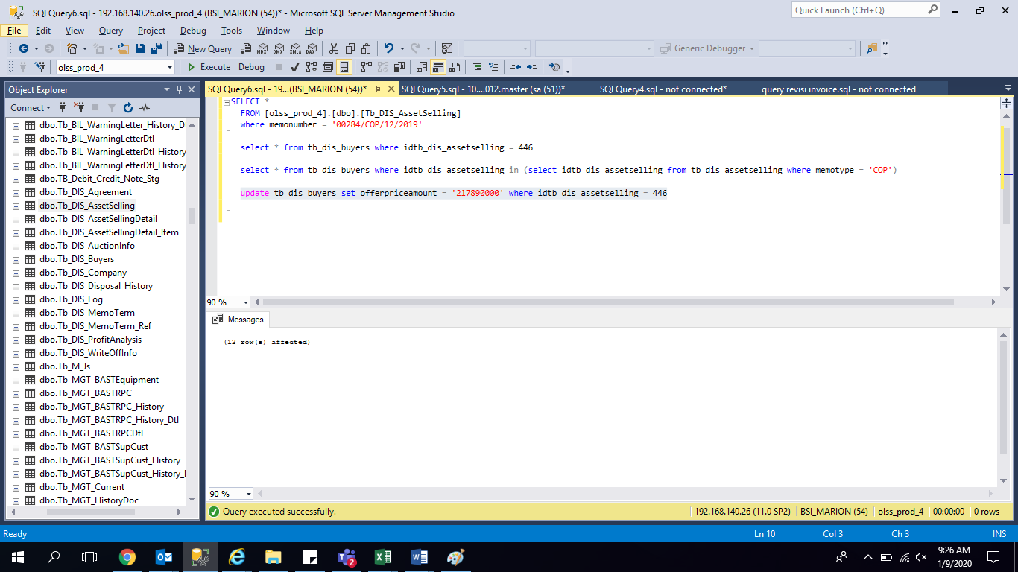
update tb_dis_buyers set offerpriceamount = '217890000'
where idtb_dis_assetselling = 446

screenshoot
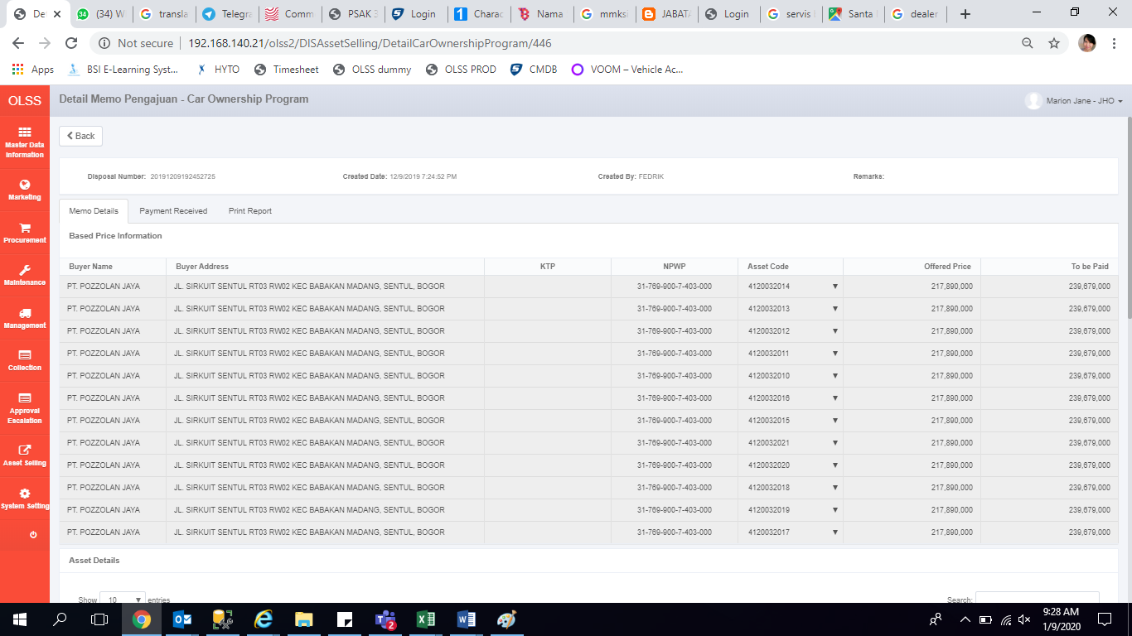
BEFORE


AFTER

